TECH SHEET
DATE | 2026-05-11 | DATE | 2026-05-11
SEASON | AW2627 - BULK INSTRUCTIONS | SEASON | AW2627 - BULK INSTRUCTIONS
CUSTOMER/LABEL | THE JACK LEATHERS | CUSTOMER/LABEL | THE JACK LEATHERS
SUPPLIER | PAKKAR | SUPPLIER | PAKKAR
STYLE NAME | FLAVIO KNIT with detachable fake fur lining | STYLE NAME | FLAVIO KNIT with detachable fake fur lining
DESCRIPTION | SUEDE JACKET WITH BACK / SLEEVES / INSIDE COLLAR / BOTTOM IN KNITTED MATERIAL | DESCRIPTION | SUEDE JACKET WITH BACK / SLEEVES / INSIDE COLLAR / BOTTOM IN KNITTED MATERIAL
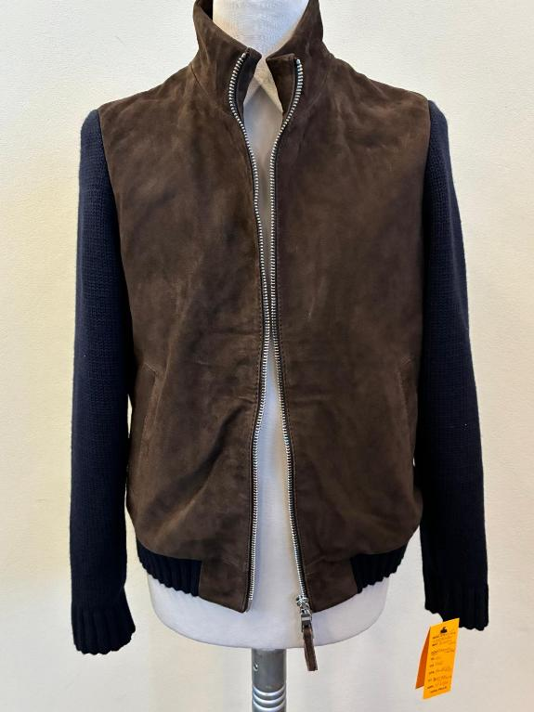 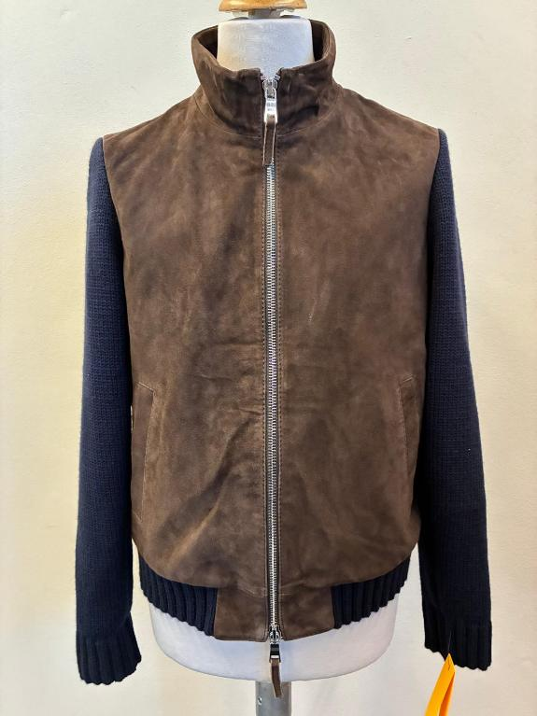 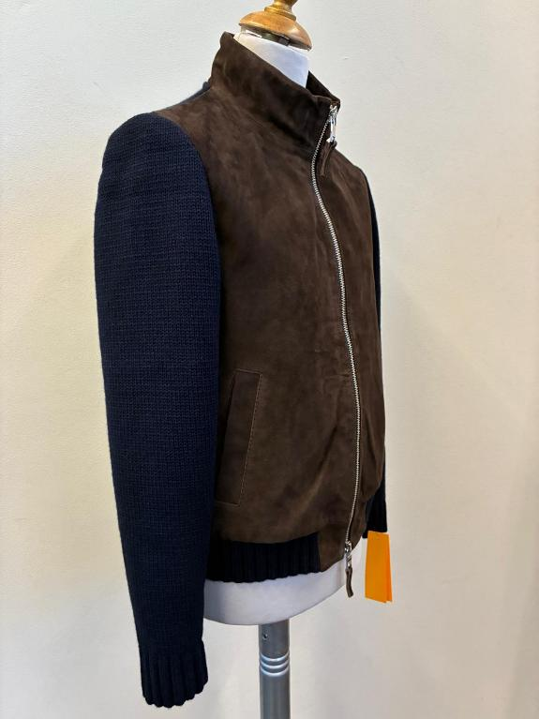 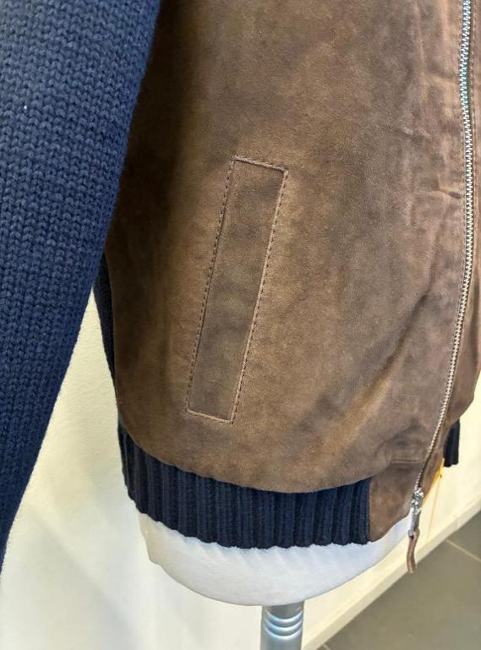 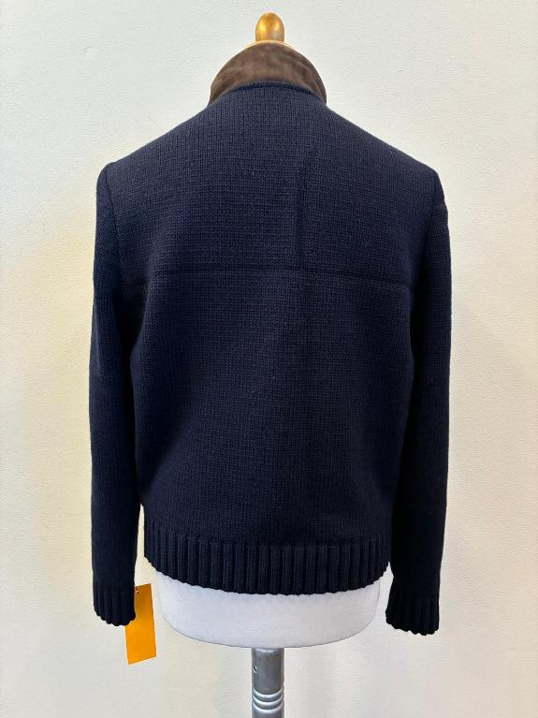 PICTURE |  | 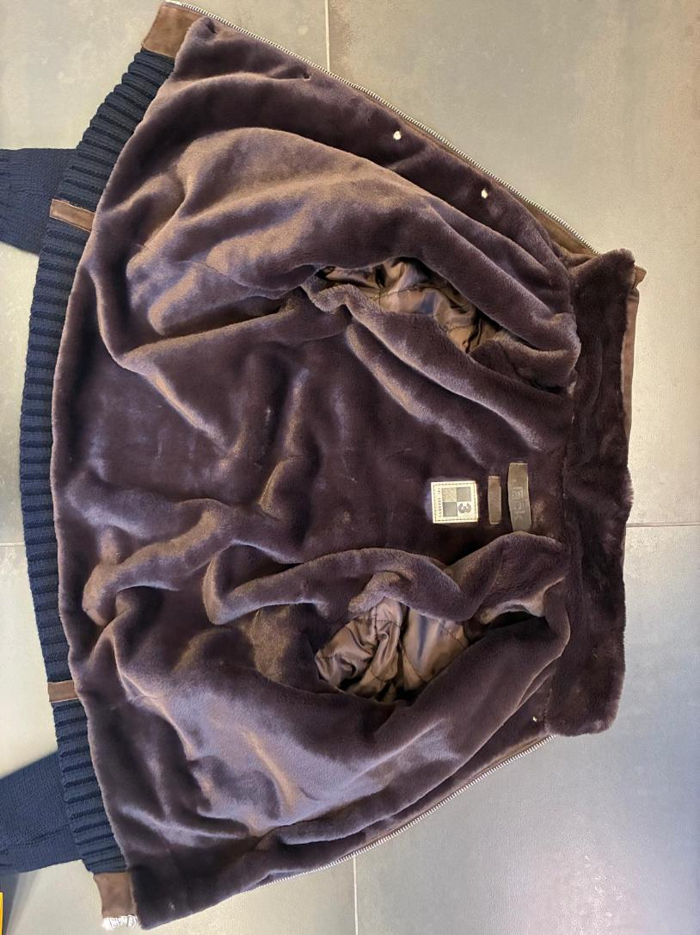 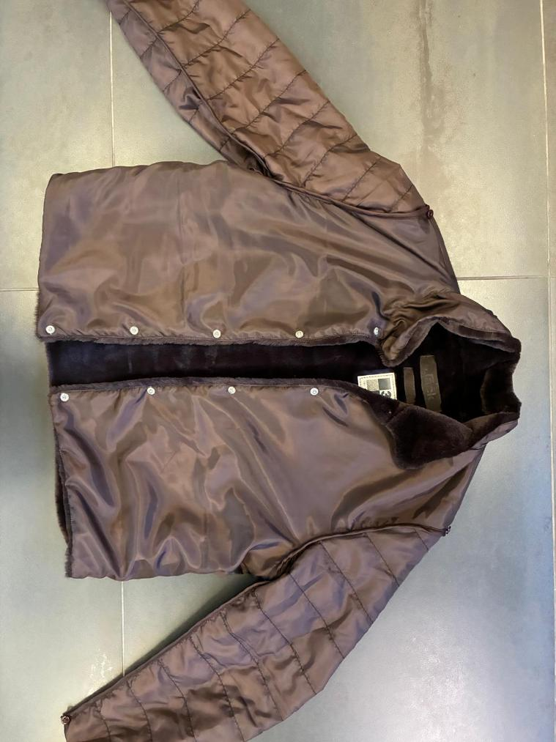 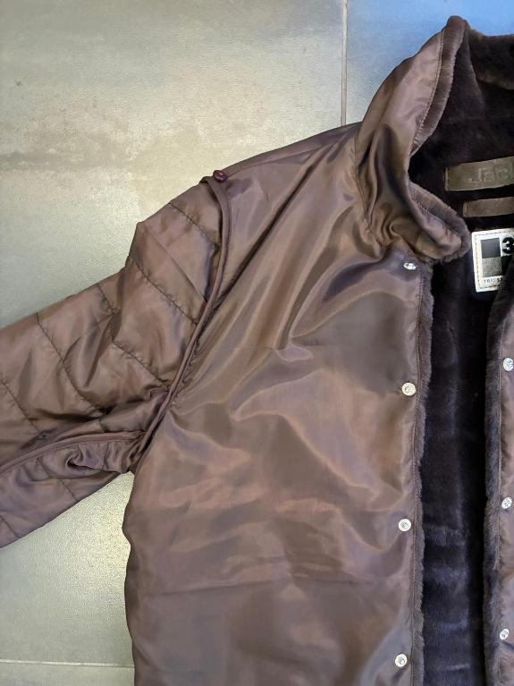 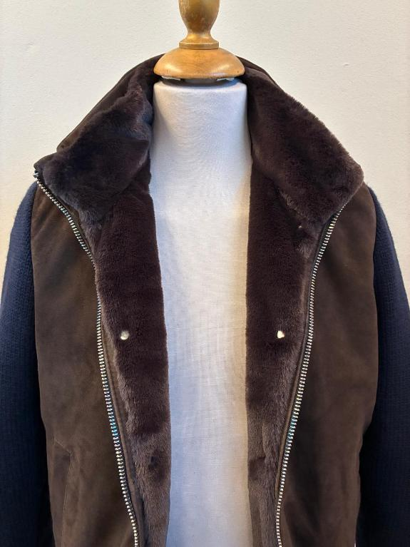
AVOID MISMATCHING PANELS
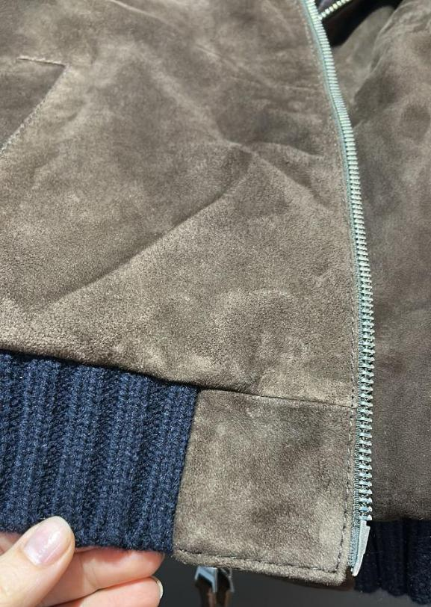 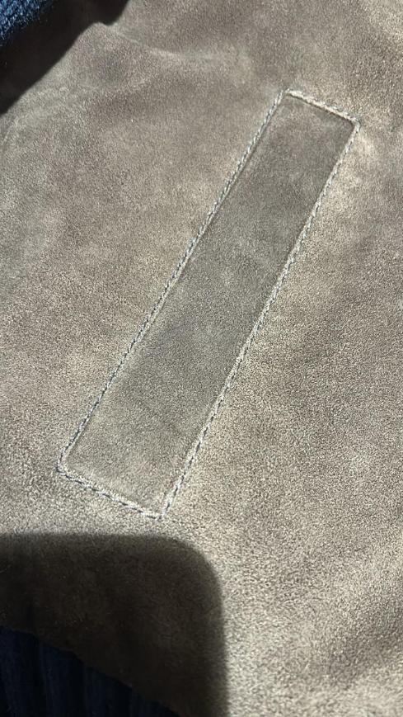 MATERIALS | WINTER GOAT SUEDE, TAKE CARE TO SUEDE QUALTY, HIGH QUALITY WRITING BUT NOT TOO BUSHY, NO OPEN DEFECT, NO WHITE SPOT, NO BACK BONES, NO FOLD MARKS >>AVOID BUSHY PARTS, AVOID WHITISH SUEDE, AVOID VEINS, AVOID STAINS >NOT WASHED SUEDE >SUEDE SHOULD BE BRILLANT, WRITING EFFECT AND SOFT, NOT BUSHY IT MUST HAVE SHORT NAP, NOT OILY, SUEDE MUST BE FULL OF COLOR >>FADED AND BUSHY SKINS ARE NOT ACCEPTABLE >NO MISMATCHING PANELS, NO OPEN DEFECTS, NO VEINS MARKS >NO BUSHY SUEDE, NO OIL STAINS, NO LEATHER MARKS >THE HAIR SUEDE WAY SHOULD BE IN SAME DIRECTION IN ALL PCS OF THE GARMENT WHEN HAMMERED, THE SUEDE MUST NOT TURN WHITISH >>WINTER SUEDE SUBSTANCE 0,7-0,8 mm, OK AS PER SMS/PPS ______________ >front panels in SUEDE + >>sleeves // back // front single rib//inside collar // in KNITTING--> thick knitting thread BIG GAUGE AS PER SMS/PPS | 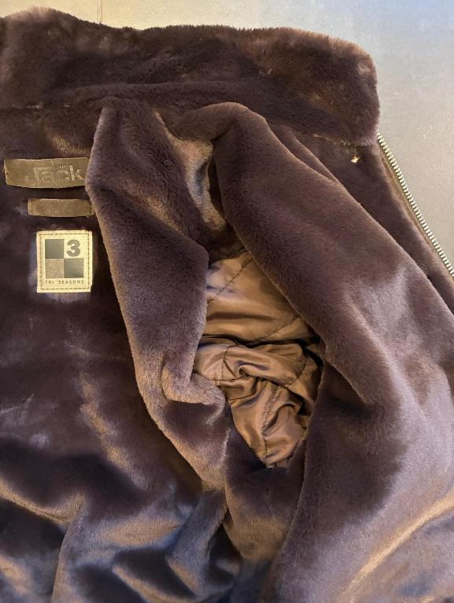 | >PLEASE USE FAKE-FUR art TRUDY col 0701 DARK BROWN, OK AS PER SMS, PROVIDED BY US • Art TRUDY col 0701 DARK BROWN IS FIXED FOR ALL BULK COLORS • USE OUR FAKE-FUR TEXTILE FOR THE BODY ONLY, IN THE VISIBLE AREA WHEN ATTACHED, OK AS PER SMS ________________ • DETACHABLE LINING → IN BULK, FOR BODY LINING PLEASE USE LIGHT COTTON FABRIC MATCHING THE FUR COLOR, AND AVOID ANY REDDISH TONE, as explained in video WAPP sent →SLEEVES LINING (out/in) PARTS MUST USE LIGHT POLY SATIN/TAFFETÀ CLOSELY MATCHING THE FAKE FUR FABRIC, OK AS PER SMS/PPS >>>LINING FABRIC TO BE PROVIDED BY YOU, OK AS PER SMS
AVOID BUSHY SUEDE AND AVOID SUEDE THAT TURNS WHITISH AFTER PRESSURE
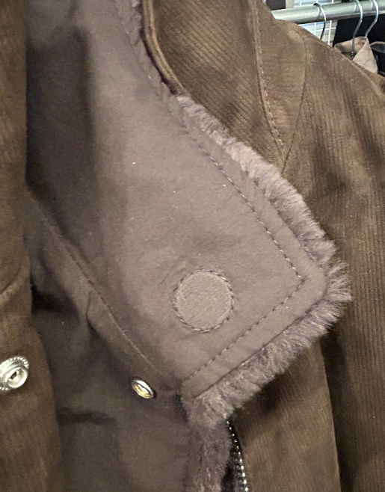
CORRECT PIC WORKMANSHIP
MAGNETS ON THE DETACHABLE FUR LINING MUST BE BOTH STITCHED AND GLUED, ONLY TO THE COTTON SIDE OF THE LINING.
 |  |  |  |  | 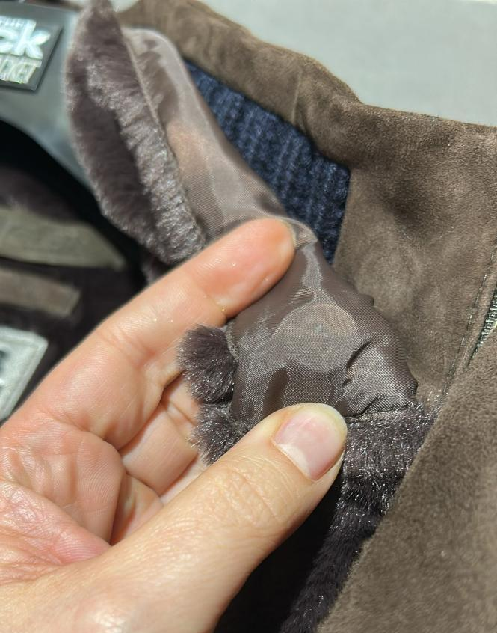 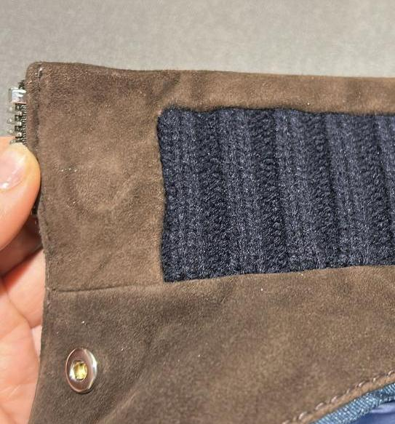
CORRECT PIC WORKMANSHIP
MAGNETS ON THE JACKET (INSIDE COLLAR) MUST BE ONLY STRONGLY FUSED / GLUED, NO STITCHING REQUIRED.
KNITTING | KNITTING -> OK AS PER SMS/PPS IN GAUGE/FINISHING KNITTING TYPE -->THICK GAUGE CONFIRMED AS PER SMS/PPS >FOR BACK FLAT KNITTING, OK AS PER SMS/PPS >FOR SLEEVES MAKE FLAT KNITTING, OK AS PER SMS/PPS >FOR THE RIBBED PARTS CONFIRMED THE 2X2, OK AS PER SMS/PPS >FRONT SINGLE RIB 2X2 , OK AS PER SMS/PPS >INSIDE COLLAR SINGLE RIB 2X2 , OK AS PER SMS/PPS RIBBED PART OK 6 cm HIGH --> OK AS PER SMS/PPS >>>ASK TO KNIT SUPPLIER THAT BORDERS HAVE ELASTICITY IN ORDER TO DO NOT OPEN LOOK OF CUFFS EDGE & BOTTOM BODY THE INSIDE ELASTIC ON THE 2X2 BORDER NEEDS TO BE IN A MORE MATCHING COLOR TO THE KNIT, especially in light colors KNITTING TO BE ORDERED TO KG SUPPLIER | 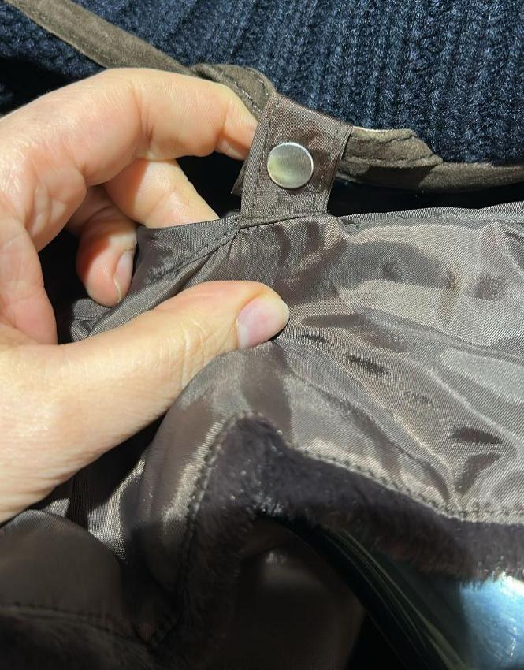 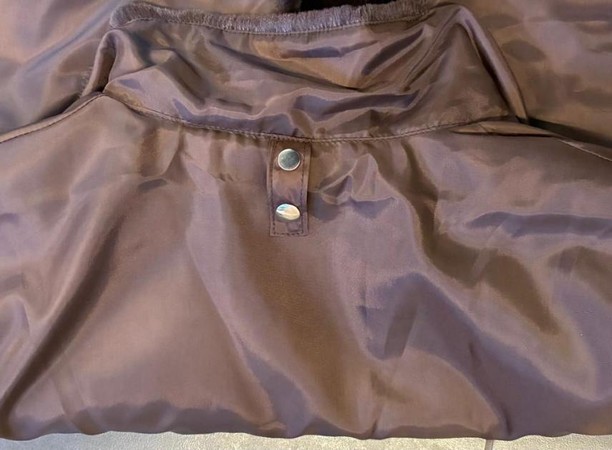 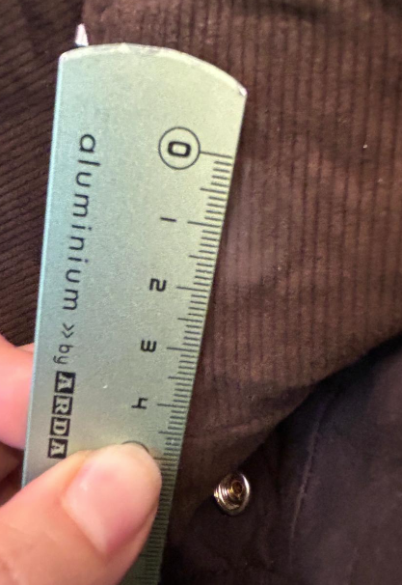 BUTTONS | >> FRONT COLLAR ANGLES OF DETACHABLE FAKE FUR MUST STAY ON THE JACKET WITH THE INSIDE CIRCLE MAGNET >THE PPS MAGNETS ARE TOO SMALL. >FOR BULK, PLEASE SOURCE MAGNETS WITH 2 CM DIAMETER. see side corect pic workmaship >THE PPS MAGNETS ARE TOO WEAK. PLEASE IMPROVE MAGNET STRENGTH IN BULK. >MAGNETS ON THE DETACHABLE FUR LINING MUST BE BOTH STITCHED AND GLUED, ONLY TO THE COTTON SIDE OF THE LINING. >MAGNETS ON THE JACKET (INSIDE COLLAR) MUST BE ONLY STRONGLY FUSED / GLUED, NO STITCHING REQUIRED. WE SENT A VIDEO ON WAPP EXPLAINING THE CORRECT WORKMANSHIP >>KINDLY NOTE THAT THE MAGNET CORECT POSITION IS MARKED ON THE PPS PATTERN | 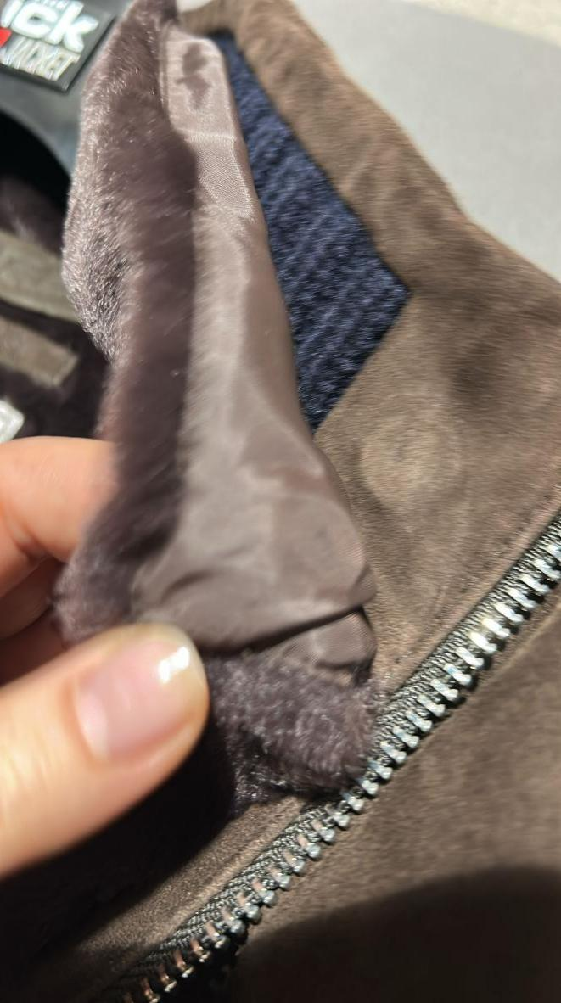 | 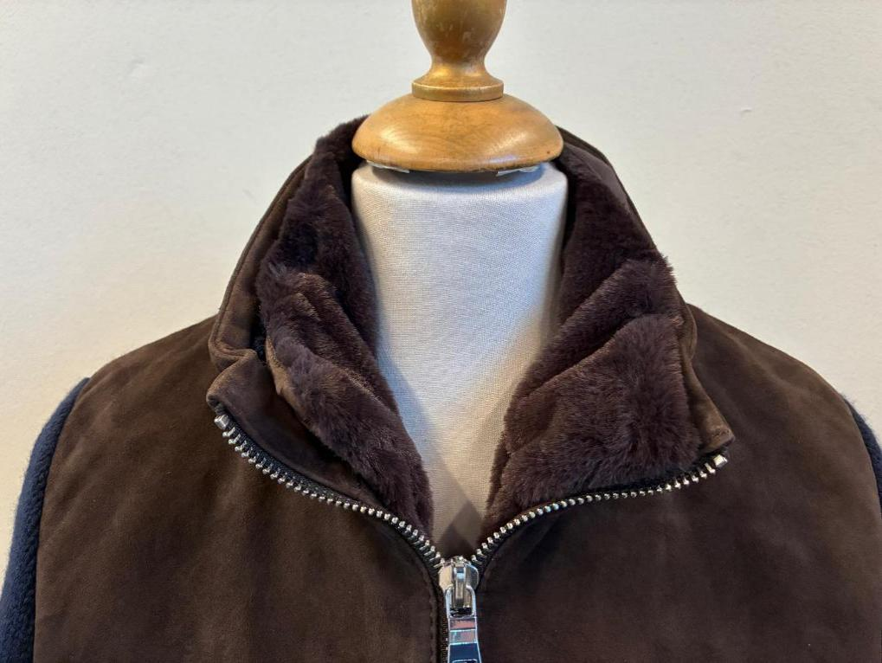 | 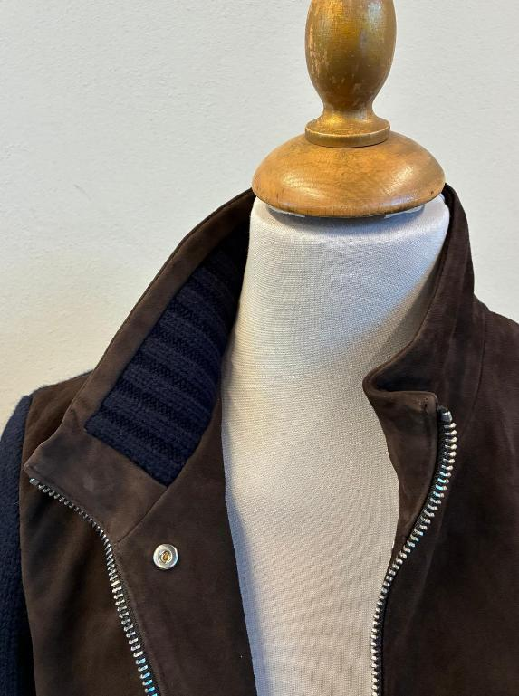
 |  |  | >ON FAKE-FUR BODY FOR DETACHABLE PLEASE USE VISIBLE SMALL PRESS-BUTTON IN NICKEL FINISHING, OK AS PER SMS/PPS >> USE VISIBLE PRESS BUTTONS ON THE BODY + BACK COLLAR LOOP, OK AS PER SMS/PPS > TAKE CARE THE PRESS BUTTONS MUST NOT BE HARD TO CLOSE/OPEN > PRESS BUTTONS WITH INSIDE PLASTIC PROTECTION TO PREVENT CUTS ON TEXTILE/FUR WE WOULD LIKE "MALE" PART ON THE DETACHABLE LINING AND THE FEMALE PART ON THE JKT, OK AS PER PPS >PUT NYLON LOOP ON CENTER BACK COLLAR, OK AS PER PPS _________________ >SMALL PLASTIC BUTTONS (10mm), 2 HOLES, ON DETACHABLE PADDED LINING, col DARK BROWN, REALLY MATCHING DARK BROWN COLOR -> PLASTIC BUTTONS PLACEMENT 1pc ON EACH CUFF (INSIDE PART OF CUFF WHERE THERE IS THE STITCHING ALLOWANCE) TAKE CARE THAT THE OUTER KNIT SLEVES WILL BE NOT PULLED, MAKE CORRECT PLACEMENT+ 2pcs ON ARMHOLE (top armhole and armpit) >ELASTIC SMALL TAPE EYEHOLES ON JACKET, MATCHING KNIT COLOR, DO NOT USE col BLACK ELASTIC TAPE, BUT USE IT MATCHING KNIT 1pc ON EACH CUFF (INSIDE PART OF CUFF WHERE THERE IS THE STITCHING ALLOWANCE ) + 2pcs ON ARMHOLE (top armhole and armpit) | 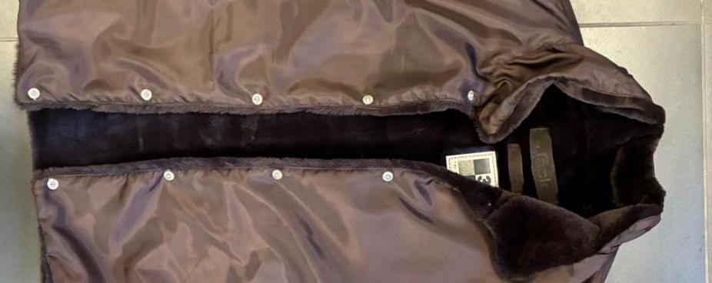 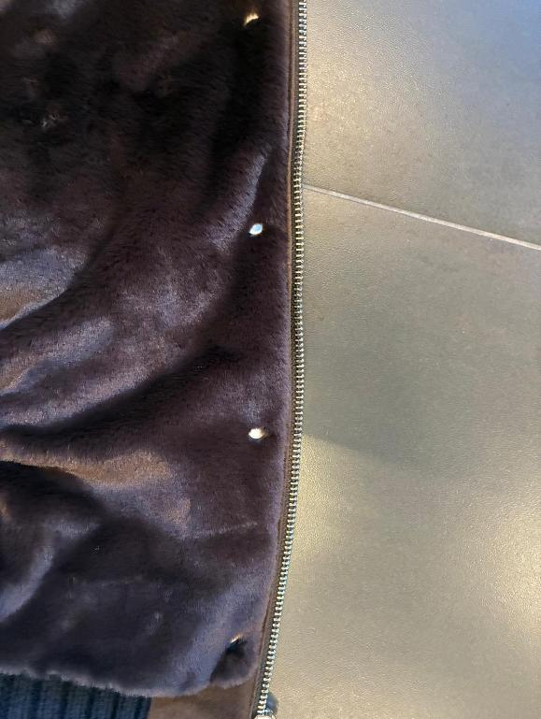 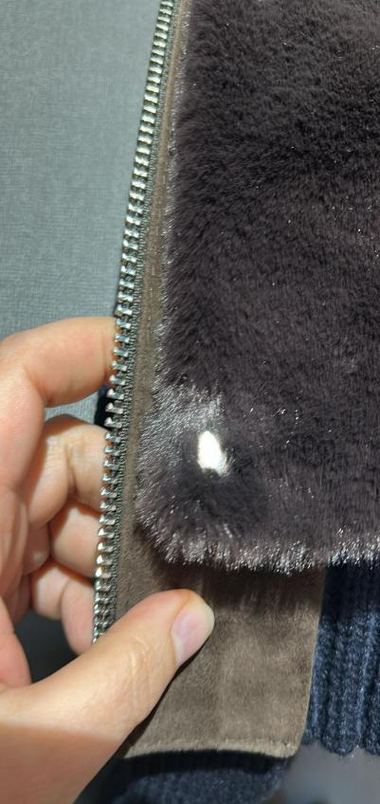
PPS
JKT- REFERENCE FOR COLOR
THE PPS DARK BROWN SUEDE COLOR S IS NOT AS REQUESTED. THE DARK BROWN MUST BE DEEP AND FULL, AS PER THE APPROVED SMS. THE PPS COLOR IS NOT OK BECAUSE LIGHTER & REDDISH
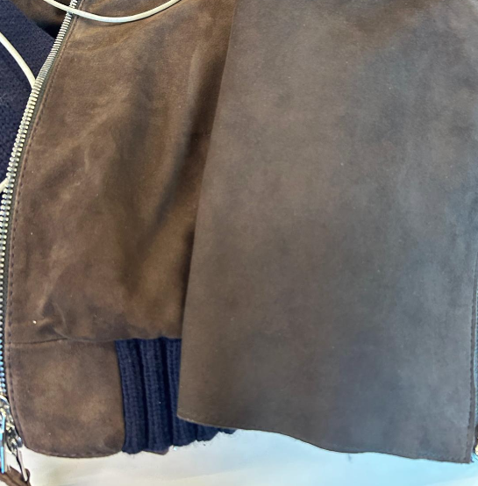 COLORS | > code #129: suede RICE--> PLEASE FOLLOW THE NEW LEATHER SWATCH SENT YOU FOR REFERENCE COLOR TO COPY IN COLOR/TONE/SHADE + knitting BEIGE MELANGE ______________________ > code #572: suede PINE GREEN--> OK AS PER SMS style FRANCIS KNIT seal n°403, sent you back to be copy in color/shade/tone + STONE MELANGE ______________________ > code #06 suede DARK BROWN--> OK AS PER SMS style ADELE KNIT seal n°409, sent you back to be copy in color/shade/tone + CHOCO BROWN MELANGE (EX MARRONE MELANGE) ______________________ code #309 suede DARK BROWN--> OK AS PER SMS style ADELE KNIT seal n°409, sent you back to be copy in color/shade/tone THE PPS DARK BROWN SUEDE COLOR S IS NOT AS REQUESTED. THE DARK BROWN MUST BE DEEP AND FULL, AS PER THE APPROVED SMS. THE PPS COLOR IS NOT OK BECAUSE LIGHTER & REDDISH, see side picture & improve in bulk + DARK BLUE |  |  | 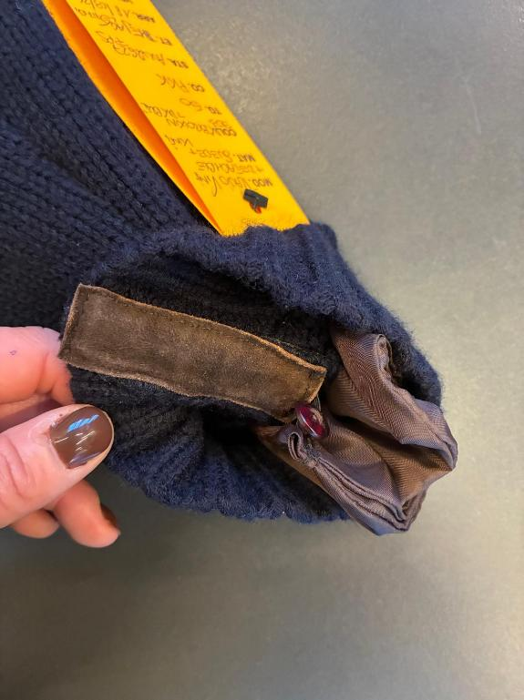 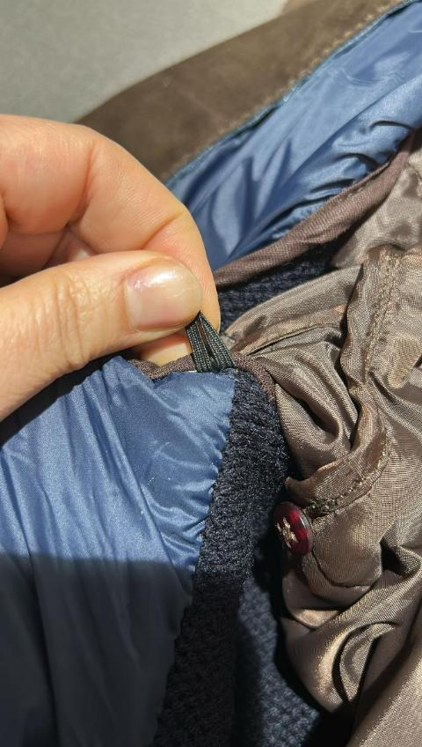
 |  | PADDING | BODY UNPADDED DUE THE FAKE FUR THICKNESS, OK AS PER SMS/PPS GOOD INDIAN POLYESTER PADDING, PROVIDED BY YOU --> ONLY FOR SLEEVES, OK AS PER SMS/PPS >SLEEVES TO HAVE QUILTING, MATCHING BASE COLOR, OK AS PER SMS/PPS
TAKE CARE TO AVOID WRINKLED STITCHING ON LINING STITCHING. KINDLY SET THE THREAD TENSION CAREFULLY. THE PPS IS NOT OK: WRINKLES ARE VISIBLE ON BODY FACING AND AROUND THE POCKETS. PLEASE IMPROVE IN BULK.
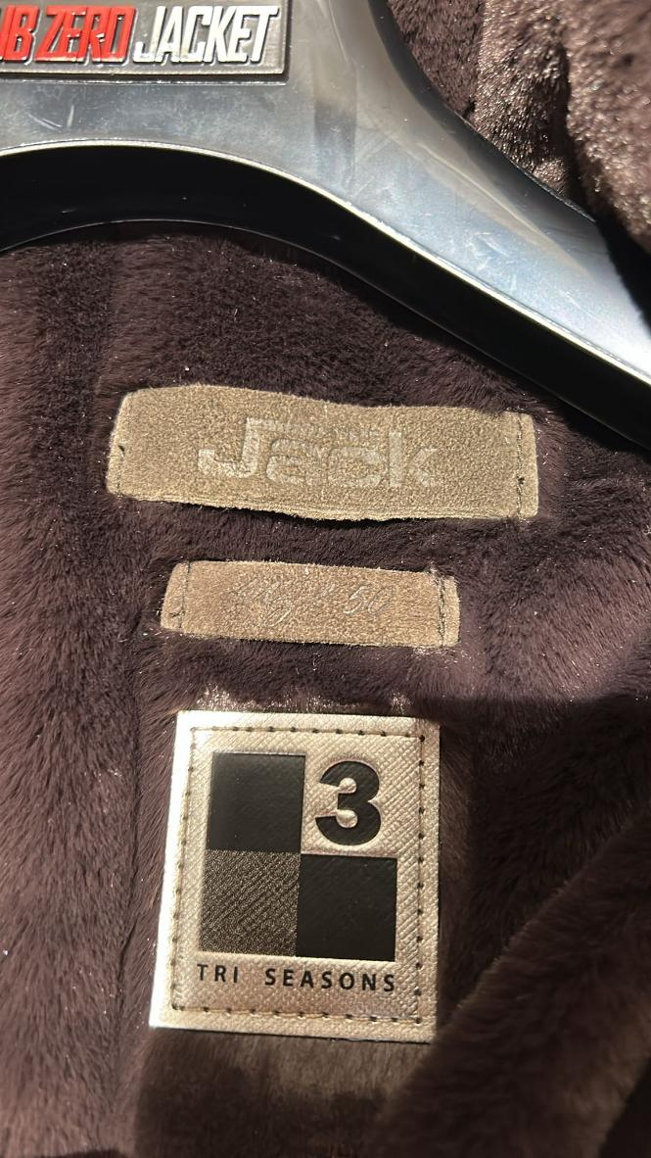
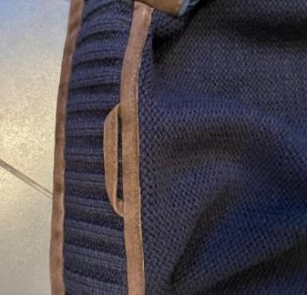 PATTERN | THE PPS PATTERN HAS BEEN APPROVED FOR BULK, AND WE HAVE SENT YOU THE GRADED PATTERN NAMED “FLAVIOKNIT 05-05-26ZZ” KINDLY PAY SPECIAL ATTENTION TO THE HALF BOTTOM MEASUREMENT >IN THE PPS, THE HALF BOTTOM WIDTH IS 49cm, TOO WIDE AND IT STAY UP >WE KINDLY ASK YOU THAT THE RIB MUST FIT CLOSER TO THE BODY, KINDLY STAY FOR SIZE 50 HALF BOTTOM WIDTH AROUND 44/45cm PLEASE TAKE CARE IN BULK PRODUCTION | 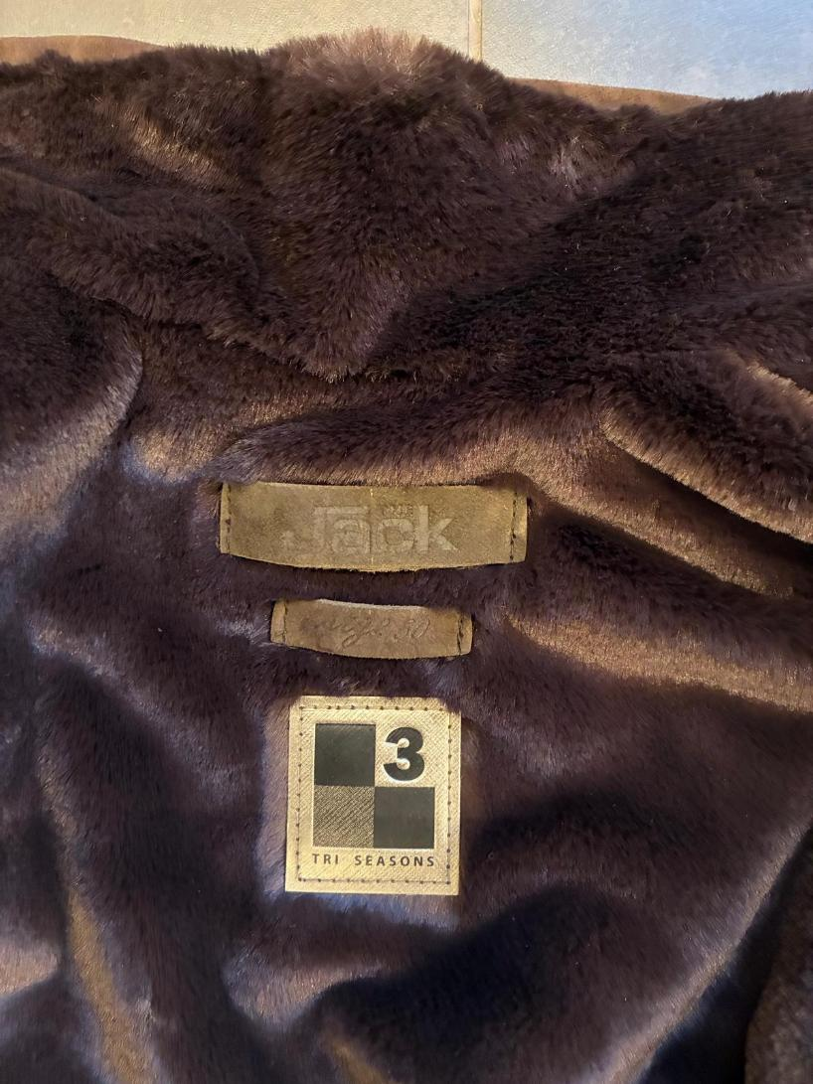 LABELLING | LABELLING WITH DEBOSSED PRINT, PPS SUEDE LEABELS ARE POOR IN QUALITY AND EMBOSSED, IMPROVE IN BULK FOR NICE THICK SUEDE AND NEAT READABLE PRINT >TAKE CARE WITH THE PRINT. AS PER PPS THE LOGO AND SIZE LABEL ARE NOT WELL READABLE, IMPROVE IN BULK >ALSO ENSURE THAT THE PRINT IS POSITIONED IN THE CENTER OF THE SUEDE RECTANGLES, IMPROVE IN BULK *PLEASE MAKE FOR MAIN LABEL LEATHER STRIP (DOUBLE LAYERS) 8cm x 2cm WITH EMBOSSED PRINT "The Jack SIDES VERTICAL STITCHING ONLY, THE PRINT MUST BE WELL READABLE, TAKE CARE OF PRINT TECHNIQUE *PLACEMENT UNDER COLLAR *PLEASE MAKE A SIZE LABEL, LEATHER STRIP (DOUBLE LAYERS) 5,2 cm x 1,3cm WITH EMBOSSED PRINT size 50, 52,..... SIDES VERTICAL STITCHING ONLY *PLACEMENT INSIDE, UNDER MAIN LABEL __________________ "3SEASONS" LABEL ON DETACHABLE LINING UNDER THE EMBOSSED LABELS, LABEL PROVIDED BY US 3SEASON LABEL ONLY ON DETACHABLE PADDED LINING, NO ON SUEDE JKT 3SEASON LABEL STITCHED ALL AROUND WITH MATCHING LABEL COLOR THREAD, OK AS PER PPS
LINING & TRIMS
MOVE DOWN THE 2 LOWER LINING POCKETS BY ABOUT 1.5 CM. IN THIS WAY, THE GROS GRAIN TAPE WILL BE SLIGHTLY FAR FROM THE EMBROIDERED LABEL
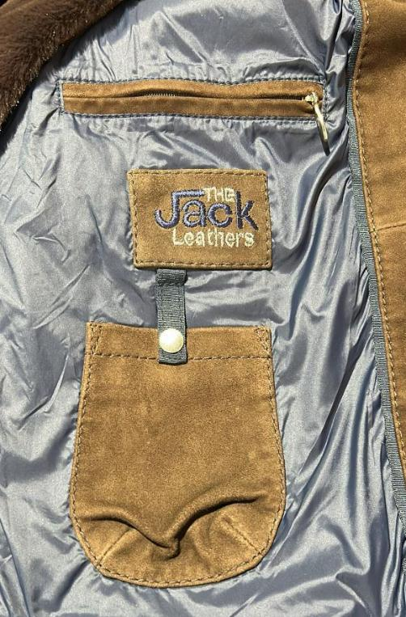 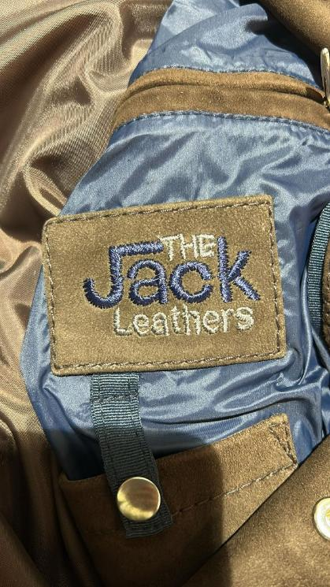 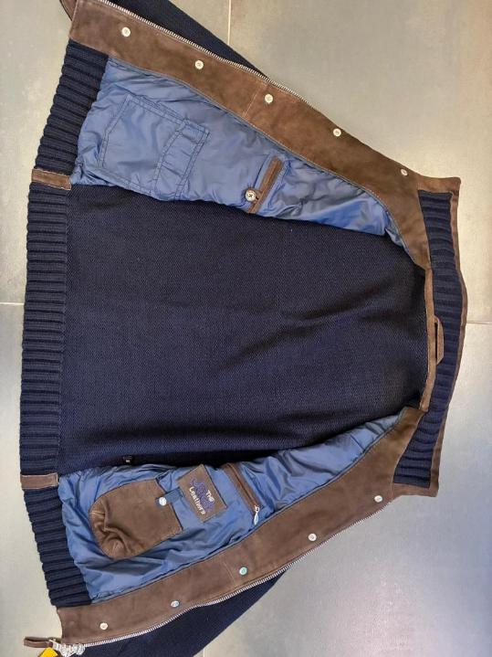 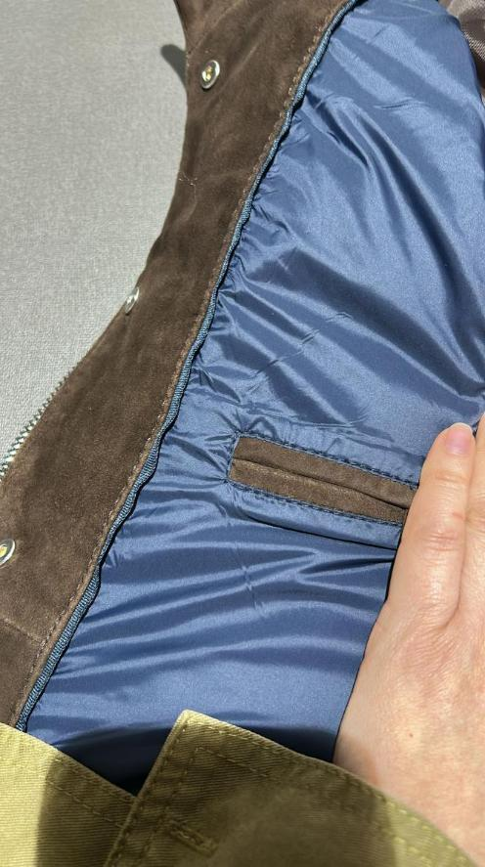 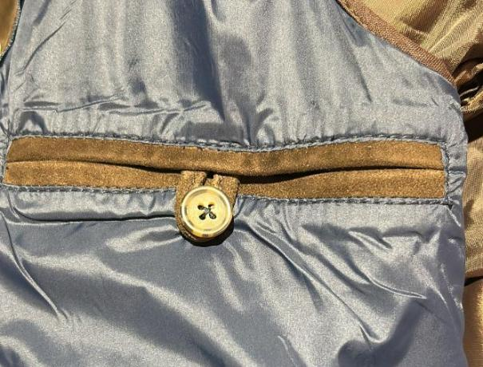 BODY & SLEEVES LINING | >SUEDE BODY FRONT PANELS ARE LINED + LEATHER FACING, OK AS PER SMS/PPS FOR FRONT SUEDE PANELS KINDLY USE NYLON TEXTILE art FICUS, USE THIS FABRIC FROM DULL SIDE , TEXTILE PROVIDED BY US TAKE CARE TO AVOID WRINKLED STITCHING ON LINING STITCHING. KINDLY SET THE THREAD TENSION CAREFULLY. THE PPS IS NOT OK: WRINKLES ARE VISIBLE ON BODY FACING AND AROUND THE POCKETS. PLEASE IMPROVE IN BULK. for code 129 RICE--> use linng art FICUS col 1948 BEIGE for code 572 PINE GREEN--> use linng art FICUS col 1936 GREEN for code 06 DARK BROWN--> use linng art FICUS col 1933 BROWN for code 309 --> use linng art FICUS col 2182 BLUE, ok as per pps LINING CONSTRUCTION >LINING 2 CHEST POCKETS WITH DOUBLE LEATHER WELTS >LEFT ONE WITH LEATHER LOOP + BUTTON, button provided by us, COROZO BUTTON col greige SIZE 28, PPS BUTTON SUBSTITUTED, KINDLY USE OUR BUTTON IN BULK >TAKE CARE OF THE WORKMANSHIP OF DOUBLE WELTS LINING PKTS: THEY WELTS MUST NOT OVERLAP. SEE PPS PICTURE NOT OK, IMPROVE IN BULK >RIGHT ONE WITH NYLON ZIPPER, MATCHING LINING COLOR WITH NICKEL DROP SHAPED PULLER, OK AS PER PPS >LINING 2 BOTTOM PATCH POCKETS >LEATHER PHONE POCKET WITH EMBOSSED LOGO AND CLOSED BY GROS TAPE + 1 PRESS-BUTTON SPRING TYPE with EMBOSSED LOGO THE JACK, EMBOSSED PRINT IS MISSING ON PPS IMPROVE IN BULK >PHONE POCKET MEASUREMENTS 11cm WIDE AND 14cm HIGH >GROS GRAIN-TAPE ON PHONE POCKET SHOULD BE 1,5cm WIDE MOVE DOWN THE 2 LOWER LINING POCKETS BY ABOUT 1.5 CM. IN THIS WAY, THE GROS GRAIN TAPE WILL BE SLIGHTLY FAR FROM THE EMBROIDERED LABEL >TEXTILE BIG POCKET WITH FLAP CLOSED BY 1 HIDDEN PRESS BUTTON,SPRING TYPE >>TAKE CARE ABOUT THIS PRESS BUTTON: IT MUST NOT BE HARD TO OPEN/CLOSE, AND PLEASE REINFORCE THE BACK OF THE PRESS BUTTON TO PREVENT THE TEXTILE/LEATHER FROM TEARING >SUEDE HANGER LOOP, 6,5cm WIDE >>BACK PANEL IN KNIT OBVIOUSLY IS NOT LINED FOR OUTER POCKET BAGS PLEASE USE THIN COTTON CLOTH MATCHING SUEDE COLOR, USE NICE QUALITY NOT ROUGH
AS REQUESTED, PLEASE APPLY A SINGLE STITCHING AT 0.5 / 0.6 CM FROM THE EDGE ON THE FUR-TEXTILE, IN ORDER TO GIVE A MORE STANDING AND STRUCTURED LOOK.
PLEASE NOTE THAT IF YOU USE 0.5 CM STITCHING, YOU MUST BRUSH THE FUR PROPERLY SO THAT THE HAIR COVERS AND HIDES THE STITCHING THREAD. THE FUR MUST REMAIN EVEN AND WELL BRUSHED.--> MAKE A TEST BEFORE PROCEED IN WHOLE PRODUCTION FOR PICTURE APPROVAL
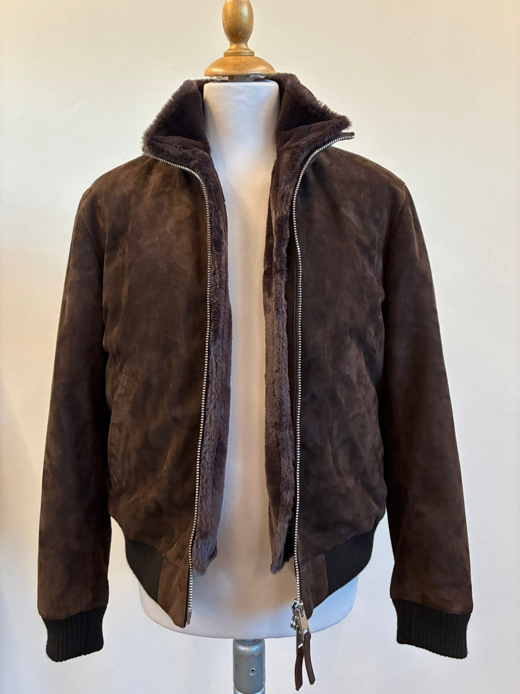
THIS IS THE EXPECTED LOOK
 |  | PRINTED LABELS | NO PRINTED LABELS ON THE DETACHABLE FUR,
IN PPS THE COLLAR IN FUR IS TOO LOOSE AND FALLING DOWN , NOT OK TO BE IMPROVE IN BULK
SLEEVES LINING | NO SLEEVES LINING, SLEEVES ARE IN KNIT AND ARE UNLINED THE INSIDE ARMHOLE SHOULD HAVE NICE FINISHING, WITH LIGHT COTTON CLOTH, MATCHING SUEDE COLOR TO HIDE THE KNIT ALLOWANCES, OK AS PER SMS/PPS >>USE THE TEXTILE IN A BIAS/CROSS DIRECTION TO PROVIDE MORE FLEXIBILITY. THIS BINDING MUST BE SOFT TO AVOID AFFECTING THE ARMHOLE FITTING. IN BULK PRODUCTION, ENSURE THE FINAL OUTSIDE APPEARANCE IS FLAT, WITHOUT ANY “CROWN EFFECT | 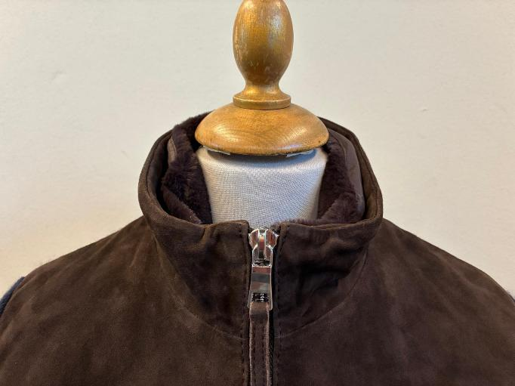 OTHERS | KINDLY NOTE THAT, FROM THE OUTSIDE, THE COLLAR LINING PART OF THE DETACHABLE-FUR MUST NOT BE VISIBLE. ONLY THE FUR HAIR MUST BE VISIBLE, NOT THE TEXTILE LINING. THE PPS IS NOT OK. WE HAVE SENT A VIDEO VIA WHATSAPP EXPLAINING THE CORRECT WAY TO STITCH THE DETACHABLE FUR COLLAR. USING THE COTTON LINING WILL GIVE MORE BODY TO THE COLLAR; IF NEEDED, YOU MAY APPLY ADHESIVE ON THE BACK SIDE OF THE FUR COLLAR TEXTILE (ONLY COLLAR PART) AS REQUESTED, PLEASE APPLY A SINGLE STITCHING AT 0.5 / 0.6 CM FROM THE EDGE ON THE FUR-TEXTILE, IN ORDER TO GIVE A MORE STANDING AND STRUCTURED LOOK. PLEASE NOTE THAT IF YOU USE 0.5 CM STITCHING, YOU MUST BRUSH THE FUR PROPERLY SO THAT THE HAIR COVERS AND HIDES THE STITCHING THREAD. THE FUR MUST REMAIN EVEN AND WELL BRUSHED.--> MAKE A TEST BEFORE PROCEED IN WHOLE PRODUCTION FOR PICTURE APPROVAL
GROS GRAIN TAPE BETWEEN FACING & LINING+ PHONE PKT CLOSURE | KINDLY USE GROS GRAIN TAPE MATCHING NYLON LINING , 1,5cm WIDE, GROS GRAIN TAPE PROVIDED BYOU, OK AS PER PPS SELECT GOOD QUALITY OF GROS GRAIN TAPE NO THIN QUALITY, NO SHINY TAPE, QUALITY OK AS PER SMS/PPS
THESE RECTANGLES MUST NOT BE VISIBLE OVER THE BOTTOM EDGE AND MUST NOT BE VISIBLE FROM THE OUTSIDE
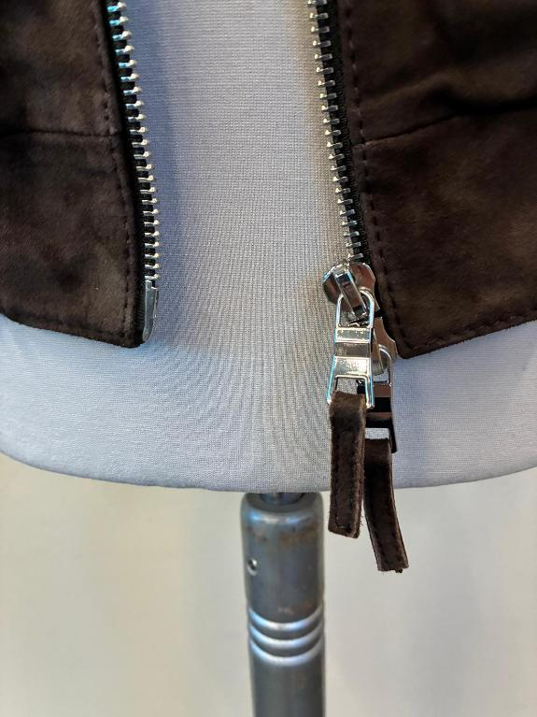 ZIPPERS | PLEASE USE SBS ZIPPER N°8, HIGH SHINY NICKEL FINISHING, OK AS PER SMS/PPS >THE ZIPPER FINISHING SHOULD BE HIGH SHINY IN TEETH, SLIDERS and PULLERS TAKE CARE THAT ZIPPERS LOCK AND CLOSE EASILY WITHOUT PROBLEMS, CHECK THE BULK ZIPPERS MAN METAL PULLER SHAPE, OK AS PER SMS/PPS >ZIPPER N° 8- DOUBLE SLIDERS FOR MAIN CLOSURE >>LEAVE ENOUGH ROOM SO THAT THE SLIDERS CAN RUN ALSO ON THE NECKLINE–COLLAR JOINT. PLEASE TAKE CARE, AND AVOID NO-SIMMETRY STITCHING >>TAKE CARE TO STITCH THE ZIPPER EXACTLY IN THE CENTER, MAINTAINING THE SAME DISTANCE FROM BOTH EDGES, AVOID ANY IMPRECISION >ALL PULLERS SHOULD HAVE LEATHER-PULLERS, 4cm LONG, DOUBLE LAYERS OF SUEDE CLEAN CUT AND NICELY STITCHED ALL AROUND with thick thread, OK AS PER SMS
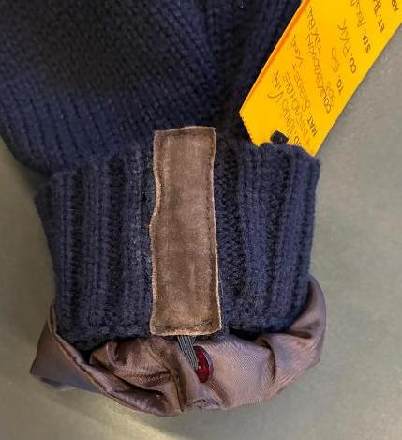 RIB | THE FRONT BOTTOM RIB AND THE INSIDE COLLAR RIB ARE KNITTED MATERIAL AS BACK AND SLEEVES KINDLY MAINTAIN THE BOTTOM RIB-HEIGHT STANDARD ALONG THE ENTIRE CIRCUMFERENCE, KEEPING THE SAME HEIGHT AS THE FRONT-TAB, TAKE CARE, MOREOVER THE HEIGHT OF RIB SHOULD MATCH AT SIDE JOINT (BACK & FRONT PANELS) TO CLEAN THE INSIDE KNIT RIB JOINTS PLEASE USE SUEDE LEATHER RECTANGLES with CLEAN CUT EDGES, INSIDE CUFFS AND BOTTOM INSIDE SIDE-SEAMS (between the front and back) >CUT AND STITCH THESE LEATHER RECTANGLES MORE, PRECISE as POSSIBLE, MAKE THESE LEATHER RECTANGLES SMALLER AS POSSIBLE >THESE RECTANGLES MUST NOT BE VISIBLE OVER THE BOTTOM EDGE AND MUST NOT BE VISIBLE FROM THE OUTSIDE, IMPROVE IN BULK INSIDE NECKLINE COLLAR RIB HAS A LEATHER STRIP, 1cm HIGH, TO HIDE THE ALLOWANCE OF INSIDE COLLAR RIB | 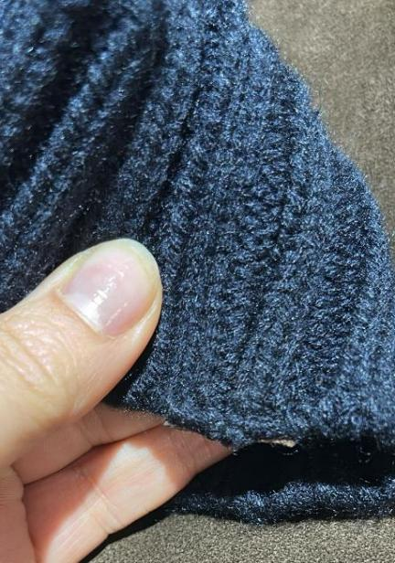 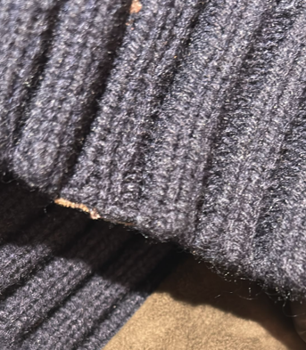
>CUT AND STITCH THESE LEATHER RECTANGLES MORE, PRECISE as POSSIBLE, MAKE THESE LEATHER RECTANGLES SMALLER AS POSSIBLE
PADDING | NO PADDING FOR SUEDE JACKET
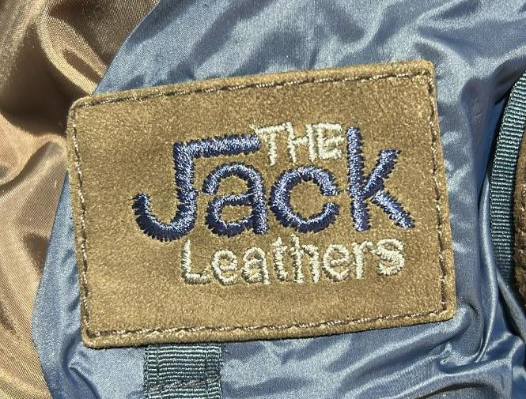 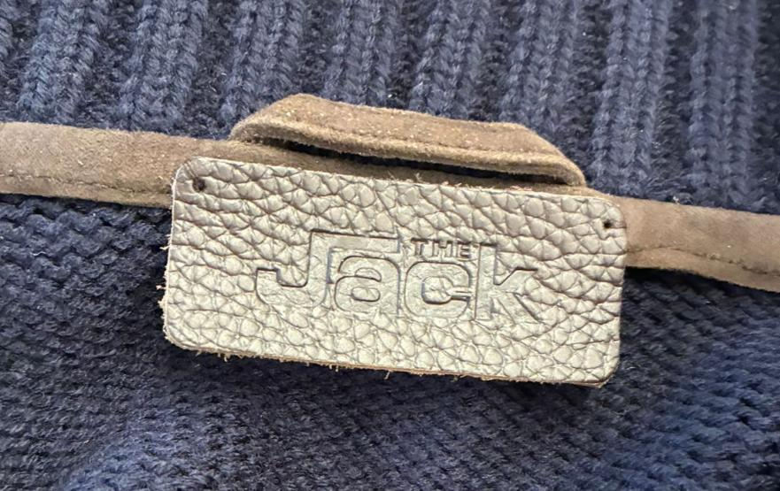 LABELLING | 1_MAIN LABEL, OK AS PER SMS, MISSING IN PPS --> IMPROVE IN BULK > THE EMBOSSED LABEL "JACK" IN LEATHER TO BE STITH INSIDE COLLAR, PLEASE LIASE WITH MR AEJAZ TO GET THIS LABEL 2 HOLES TYPE col DARK BROWN >HAND STITCH ON INSIDE NECKLINE ON COLLAR PIPING, FIX WELL THIS LABEL, IT MUST NOT DETACH 2_EMBROIDERY LABEL, OK AS PER SMS/PPS, PLACE THE EMBROIDERED IN THE MIDDLE, STITCH PRECISELY ALL AROUND THE LABEL > EMBROIDERED LEATHER LABEL TREATED AS PER JACKET: MAKE THE LOGO "THE JACK LEATHERS" EMBROIDERED ON A SUEDE RECTANGLE, WITH FOLDED EDGES AND EDGE STITCHING TO FIX LINING TEXTILE >MAIN LABEL RECTANGLE TO BE STITCHED ALL AROUND, PLACEMENT UNDER CHEST POCKET LINING AND ABOVE THE PHONE POCKET *"THE " and " LEATHERS" LOGO EMBROIDERED WITH COL. DARK GREY, FIXED FOR ALL SUEDE COLORS THE “THE” & “LEATHERS” LETTER SHAPES MUST BE IMPROVED IN BULK. THE PPS SHOWS POOR LETTER SHAPES, INCONSISTENT IN HEIGHT AND SIZE. *"JACK" LOGO EMBROIDERED IN COLOR DARK BLUE, FIXED FOR ALL SUEDE COLORS --------- 3_LEATHER HANGTAG EMBROIDERED WITH "THE JACK LEATHERS", EMBROIDERY COLORS SHOULD BE AS PER MAIN LABEL *EMBROIDERIES WITH SAME COLORS AS MAIN LABEL *BACK PART OF HANGTAG IN LINING FABRIC *FOLDED EDGES + 3mm STITCHING *LEATHER HANG TAG with nickel EYELET The carton hangtag information documents will be sent by Ms. Luana. Please note that the carton tags attached to the SMS are not suitable as a production reference

>STITCH THE BACK NECKLINE PRECISELY
>STITCH THE ARMHOLE FOLLOWING ITS SHAPE
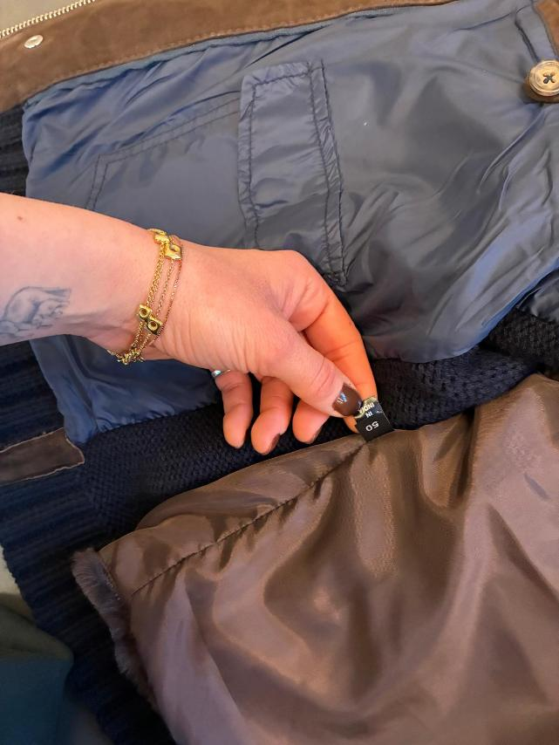 PRINTED LABELS | MISSING I PPS, IMPROVE IN BULK PRINTED LABELS, provided by you 1st PLACE *SIZE LABEL 2nd PLACE *FACEBOOK INSTAGRAM 3rd PLACE *DISTRIBUITO DA 4th PLACE *WASH CARE LABEL 5th PLACE *MADE IN INDIA ->THESE PRINTED LABELS PROVIDED BY YOU SHOULD BE WITH BLACK GROUND AND WHITE LETTERING/PRINT STITCHED ON THE WEARER'S LEFTJACKET LINING SIDE
OTHER NOTES | >FOR SHOW STITCHING PLEASE USE GOOD QUALITY THREAD AS POSSIBLE (THREE PLY, TKT 10) , MATCHING BASE COLOR--> OK AS PER PPS, BUT KINDLY USE A SLIGHTLY THICKER THREAD AND A SLIGHTLY LONGER STITCH >STITCH THE ARMHOLE FOLLOWING ITS SHAPE >STITCH THE BACK NECKLINE PRECISELY • ALL JOINTS WITHOUT TOPSTITCHING MUST BE WELL HAMMERED • THE NECKLINE AND THE INSIDE-COLLAR SUEDE STRIP ALONG THE COLLAR EDGE MUST HAVE NO VISIBLE STITCHING AND MUST BE WELL HAMMERED, AVOID WRINKLED EFFECT, AVOID OPEN TOP COLLAR EDGE • THE TOP COLLAR BORDER EDGE MUST BE FLATTENED AND GLUED TO ENSURE IT DOES NOT OPEN THE COLLAR SHOULD HAVE SOME INTERLINING INSIDE IN ORDER TO BE NOT EMPTY | 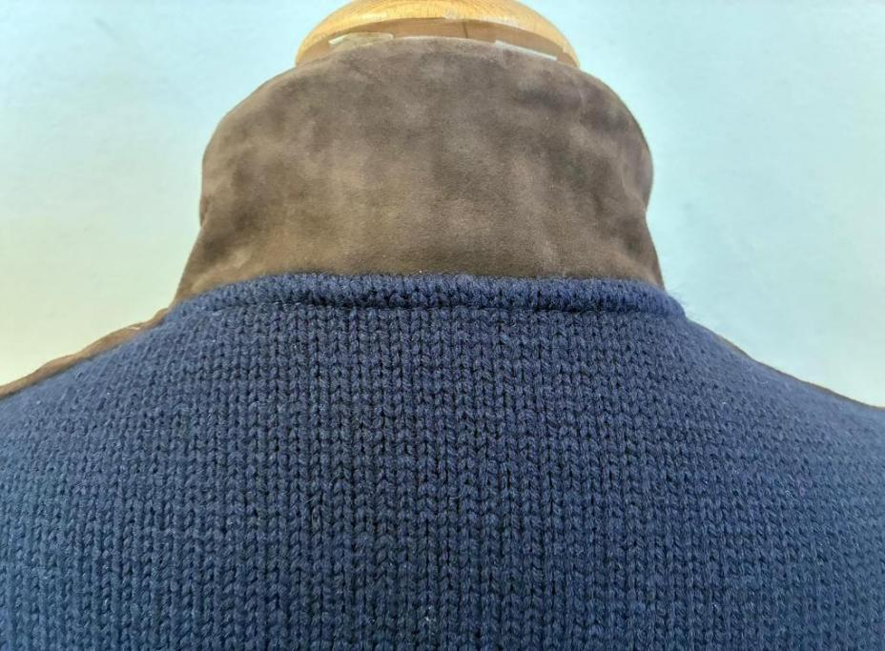 | 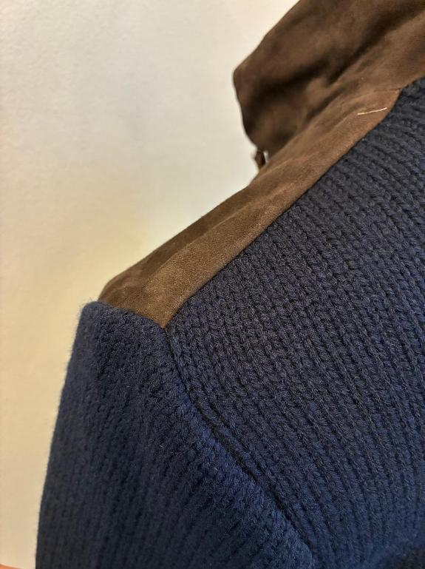
OTHER COMMENTS | >>>IMPORTANT<<< THE KNITTED SLEEVE STITCHING SHOULD BE ELASTIC AND SHOULD SUPPORT THE STRETCHING/PULLING and SHOULD NOT GET BROKEN
TAKE CARE OF DELIVERY PACKING AVOID IMPRESSION OF CARTON TAGS, ZIPPER, PKTS, SLEEVES ON THE JKT

